Instructions
Initial Training Needs Analysis (last reviewed October 2021)

The primary purpose of the NERC ARIES Doctoral Training Partnership (DTP) is to provide you with training and development in the natural sciences that prepares you for and supports you during your PhD, as well as enhancing your career choices afterwards. Our training programme is designed around the Vitae Researcher Development Framework (RDF), which is structured into four domains covering the knowledge, behaviours and attributes of researchers. It sets out the wide-ranging knowledge, intellectual abilities, techniques and professional standards needed to be an effective researcher, as well as the personal qualities, knowledge and skills needed to work with others and ensure the wider impact of research. Within each of the domains there are three sub-domains and associated descriptors - these are illustrated in the diagram below. This form has been developed to allow you to assess your own development and training needs as you set out on your PhD journey. You will have responsibility for assessing and recording your training progress, with the guidance and support of your Supervisory Team and ARIES. We hope that by working through this form, you will begine to appreciate the value of honestly reflecting on your existing skills and carefully considering the range of skills you can (and will!) gain during your PhD. The purpose of this form is solely to give you to tools needed to assess your own development; you should not see it in any way as a "test" of your abilities. Your assessments and training plans will be read by the ARIES Training and Progression Panel (TPP), and feedback provided to you and your supervisory team to aid you in identifying suitable training and development opportunities. Instructions for completing the form are given below.
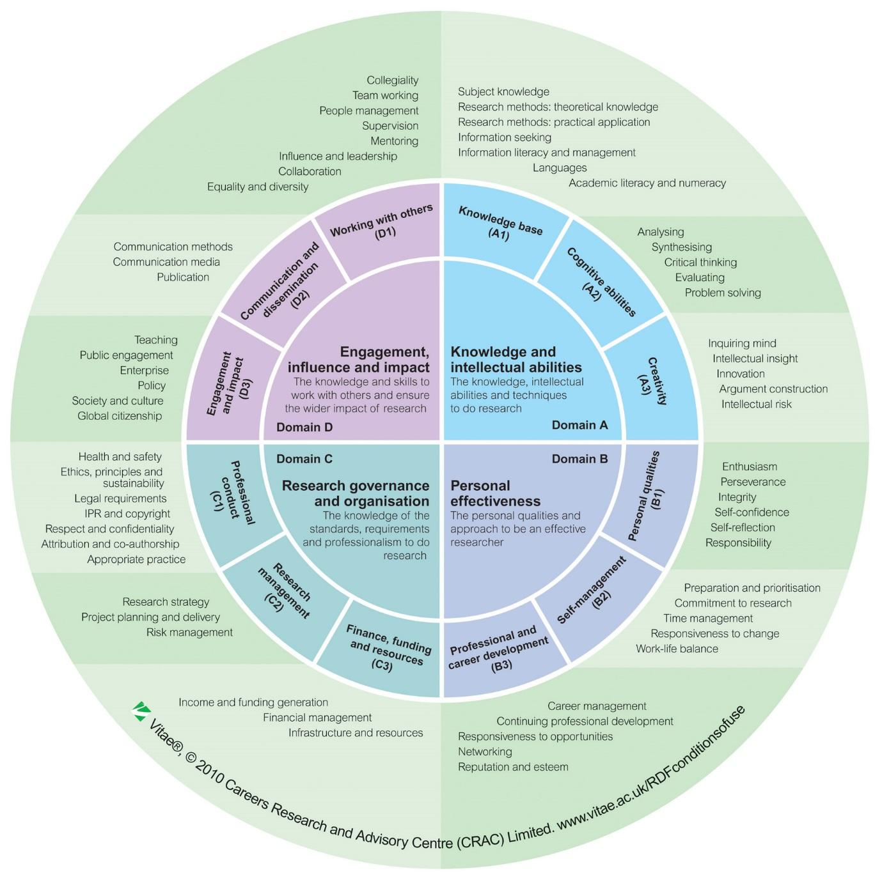

Instructions for completing the TNA planner (for an example of a completed Self-Assessment Form, please see the Example of a Completed Form tab.)
There are three tabs that you and your supervisor need to complete before submitting the form.
General Information | This tab contains information about your registration and allows the DTP to ensure that your supervisory team is suitable and compliant with the regulations of the DTP.
Self-Assessment Form | This tab contains the form that you will use to assess your own needs and development. We have assessed which of the RDF subdomains we feel are the most important at this stage of your development. Please also note that the RDF planner is designed as a tool to aid your development throughout your career - we've 'greyed out' the stages that we wouldn't expect you to reach during your time as a PhD candidate, but don't let that stifle your ambition. If you would like a copy of the TNA will all of the subdomains and stages listed please contact us in the office. To complete the form you will need to follow these instructions for each of the subdomains:
 |  | a) | Hover your cursor over the name of the subdomain in Column A. You will see a floating information box appear which will describe the phases of development recognised for that subdomain. Please read these and assess your current stage of development - the greyed-out stages are provided for your information, we don't expect you to reach these during your PhD.
 |  | b) | Select your current stage of development in Column B.
 |  | c) | Provide brief evidence to support your assessment in Column C. This column will allow you to enter up to 500 characters of free text.
 |  | d) | In Column D, and with reference to the information box from column A, please select which phase of development you would like to have achieved by next May.
 |  | e) | In column E, identify the specific training courses and/or experiential learning that will lead to the achievement of your aspirations for each subdomain as a whole. Again, this column will allow you to exter up to 500 characters of free text.
 |  | f) | Column F should be used to give an outline of your aspirations for development over the lifetime of your PhD.
Supervisor Approval | This tab allows your supervisor to read and comment on your assessment and training plan. You and your supervisor should sign this part of the form to show that you have met and discussed the form and your plans for the next 8 months
When you have fully completed these three tabs you should email the form to the ARIES Office: aries.dtp@uea.ac.uk

